ReadMe_format
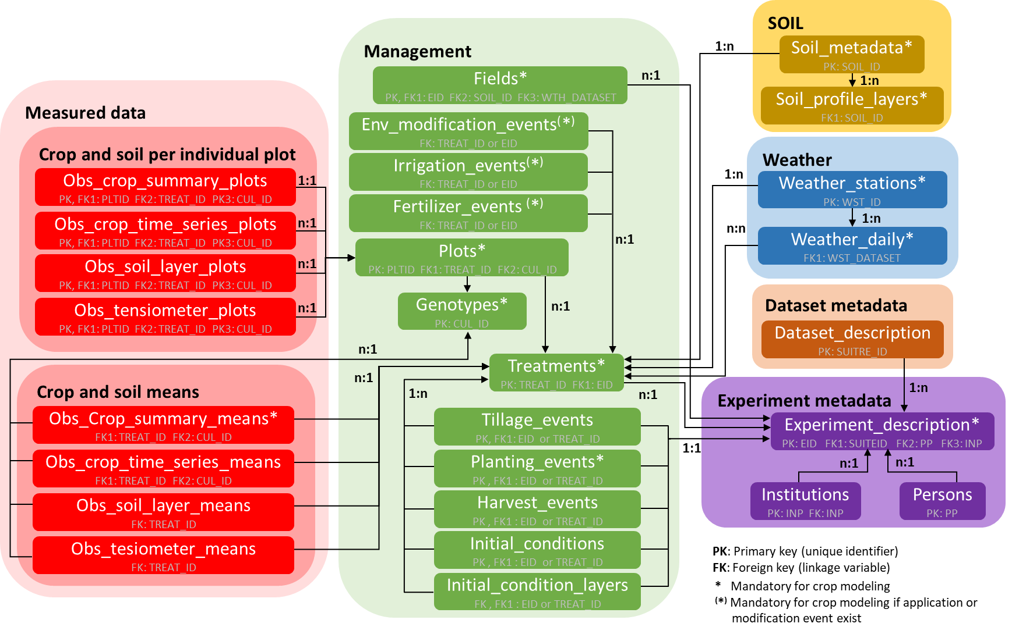
Field Experiment Data Template
Authors | Pierre Martre, Felipe Vargas Rojas, and Sibylle Dueri
Date | 2021-07-08
Version | 3.2
Introduction | This data template provides an alternative to the original AgMIP/ICASA template developped by Cheryl Porter (UFL) and Jeffrey White (USDA). The parallel format requires defining a large number of sheets but facilitates processing and is better adpated to large datasest. The diagram on the right shows the relations between the different worksheets. Felipe Vargas Rojas (LEPSE, INRAE) developped a parser to translate data in this template into a JSON file compatible with by the AgMIP model interoperability tools. The code and binaries of the parser are available on GitHub.
Definitions | Each variable should be defined using the ICASA data dictionary Version 2.0 (http://dx.doi.org/10.1016/j.compag.2013.04.003) as a guide. New variables (non-ICASA) can be introduced but should be clearly indentijfied as such in the column Comments in the Definitions sheet. Entities definition should include at least a code, a short name, a description, a unit and a method of measurment. The ICASA codes for the entities that have a code type are diven in the worksheet Crop_codes and Codes
 | Variables most often used by AgMIP are listed here:
 | http://research.agmip.org/display/dev/Management+Events
 | The full listing is available here:
 | https://docs.google.com/spreadsheets/d/1MYx1ukUsCAM1pcixbVQSu49NU-LfXg-Dtt-ncLBzGAM/pub?output=html
Formatting | Most worksheets are formatted using an identifier (ID) as the key that allows the data to be linked to data in other worksheets.
 | There must be at least one linkage from each table to the metadata table. For each table the linkage should be the first column. The only exception is the Plantings_layout table whose ID column links to the Plantings_meta table.
 | If soil N or water contents were measured at the scale of a treatment (and not for each genotype in a treatment) the first columun in the worksheet "Obs_soil_water_N" can be replaced by "EXNAME", "LOCAL_ID", or "LOCAL_NAME", if these variables are unique identifiers of each field/year/treatment combinations.
 | The worksheet should not be renamed.
 | The first three lines (rows) in each worksheet contain the variable names, unit and code display, as defined in the Defitnitions worksheet.
Plots | The worksheet Plots should be filled only if crop phenotypic observations are given for individual plots (replicates), in the worksheets Obs_crop_summary_plots, Obs_crop_daily_plots, and/or Obs_tensiometer_plots
Crop management events | Crop management events and initial conditions can be defined either at the experiment level or at the treatment level. If they are defined at the experiment level the column TREAT_ID should NOT be filled. If they are defined at the treatment leve, both the EID and TREAT_ID column should be filled.
Experiment identifiers | Experiment identifiers (EID) can be constructed by combining a three-character code for the insititution or region, a three-character code for the site or set of sites, a four-digit code for the year the experiment was initiated or harvested, a four-character experiement number or code, and a crop, multi-crop (for mixed croping or crops with weed populatins) or crop rotation code. Thus, the experiment conducted by INRAE (INR) at Clermont-Ferrand (CLE) in 2021 with bread wheat (WHB), in the WP2 of the Breedwheat project (BWP2) would be identified as INRCLE2021BWP2WHB
Soil identifier | Soil identifiers (SOIL_ID) can be constructed using a three-character code for the institution or region, plus a three-character code for the site or collection of sites. Further characters (within a a 14 character limit) can be used to provide information on the content of the soil dataset. Thus, the dataset containing the soil profiles for the field RG09 at the INRAE (INR) experiemental site in Clermont-Ferrand (CLE) would be identified as INRCLERG09.
Weather identifier | Weather dataset identifier (WST_DATASET) can be constructed by combining three-character codes for the institution and site, a four-digit code for the starting year, a three-digit code for the starting day of the year, a four-digit code for the ending year, and a three-digit code for the ending day of the year. Optionnally, a four-character code my be used to provide information of the set. Thus, INRCLE20192732020273PM might indicate a weather dataset from INRAE (INR) wheather station at Clermont-Ferrand (CLE) starting on day 273 of the year 2019 and endind on the day 273 of the year 2020 that used the Penman-monteith equation (PM) to calculate daily potential evapotranspiration.
Variable codes | Each variables should have a long name (12-14 characters), an abbreviated name (4-5 characters), and a unit
Date format | Data are given starting on the third row of each sheet.
 | Dates must be in ISO-compliant yyyy-mm-dd format. To format dates in this format, select "Custom format" and type in "yyyy-mm-dd" under "Type:" or select French (Canadian) format, or use the Format Painter to copy the format from a another date field.
Minimum data for modeling | The variables highlighted in red in the data worksheets and in the Definitions worksheet are required by the AgMIP model interoperability tools and must be filled in. These variables are in the worksheet Fields, Genotypes, Treatments, Planting_events, Irrigation_events, Fertilizer_events, Soil_metadata, Soill_profile_layers, Weather_stations, Weather_daily.
Cell fill colors | In the data sheets, valid cells usualy are shown with no fill.
 | Highlighting is provided to indicate out of range values (red), estimated values (orange), or values set to a default value (green). The cell of values calculated with other variables are filled in yiellow.
Measurement methods | Phenotypic measurments methods should be briefly described in the column Methods of the worksheet Definitions (e.g. disease impact score: 1 = no impact ; 9 = very sever impact) .
Ontology URI | When avaible it is recommended to add the ontology URI of phenotypic and environmental variables (including entities, methods, and units) in the worksheet Definitions

